Humanoids (2024)
This sheet is no longer maintained; humanoids are not really my analysis focus. Last update Oct/2024
Lab | Robot | Country | Release | Height (cm) | Weight (kg) | Walk (km/h) | Run (km/h) | Payload/carry (kg) | Power (hours) | Link | Video | Clothed? | US$ ('000) | Notes
https://www.reddit.com/r/singularity/comments/1g4hqm7/chinese_robotics_company_robot_era_put_two_star1/
1X | NEO | Norway | 2023 | 160 | 30 | 4 | 12 | 20 | 2023-02-04 | https://www.1x.tech/neo | https://youtu.be/bUrLuUxv9gE | Yes |  | Due Dec/2023
Figure | 01 | USA | 2023 | 167 | 60 | 4.3 | 4.3 | 20 | 5 | https://www.figure.ai/ | https://youtu.be/9sHUggKsWTk | Yes
Figure | 02 | USA | 2024 | 167 | 70 |  |  | 20 | 5 | https://www.figure.ai/ | https://youtu.be/0SRVJaOg9Co | Yes |  | Launched 7/Aug/2024
Fourier | GR-1 | Singapore | 2023 | 165 | 55 | 5 | 5 | 50 |  | https://robots.fourierintelligence.com/ | https://youtu.be/SHPxcRBlXN0 | No |  | 100x units due 2023
Tesla | Optimus Gen 1 | USA | 2023 | 173 | 57 | 8 | 8 | 20.4 |  | https://archive.md/QNvx9 | https://youtu.be/XiQkeWOFwmk | No |  | Lift 68kg
Tesla | Optimus Gen 2 | USA | 2023 | 173 | 47 | 8 | 8 | 20.4 |  | https://archive.md/mEWsJ | https://www.youtube.com/watch?v=fPeGPf7jvEQ | Yes | 20
Boston Dynamics | Atlas | USA | 2022 | 150 | 89 | 9 | 9 | 11 |  | https://www.bostondynamics.com/atlas | https://youtu.be/-e1_QhJ1EhQ | No
Sanctuary AI | Phoenix | Canada | 2023 | 170 | 70 | 5 | 5 | 25 |  | https://sanctuary.ai/resources/news/sanctuary-ai-unveils-phoenix-a-humanoid-general-purpose-robot-designed-for-work/ | https://youtu.be/k2GhgO7SnZQ | No
Agility | Digit | USA | 2023 | 175 | 64 | 5.4 | 5.4 | 16 | 3 | https://agilityrobotics.com/robots | https://youtu.be/rnFZAB9ogEE | No | 250
Unitree | H1 | China | 2023 | 180 | 47 | 5.4 | 18 |  |  | https://www.unitree.com/en/h1/ | https://youtu.be/GtPs_ygfaEA | Yes | 90
Apptronik | Apollo | USA | 2023 | 172 | 72 |  |  | 25 | 4 | https://apptronik.com/product-page | https://youtu.be/pymvNott6nw | No |  | Released
Kepler | Forerunner | China | 2024 | 178 | 85 |  |  |  |  | https://www.gotokepler.com/home | https://youtu.be/A5vshTgDbKE | No | 30
LimX | CL-1 | China | 2024 |  |  |  |  |  |  | https://www.limxdynamics.com/en | https://youtu.be/sihIDeJ4Hmk | No
Mentee Robotics | MenteeBot | Israel | 2024 | 175 | 70 | 5.4 |  | 25 |  | https://www.menteebot.com/bot/ | https://youtu.be/Z3T9S1Arbdk | No
Humanoid Robots (Shanghai) Limited | Qinglong | China | 2024 | 185 | 80 |  |  |  |  | https://technode.com/2024/07/05/qinglong-chinas-first-full-sized-general-purpose-humanoid-robot-unveiled-at-world-artificial-intelligence-conference-2024/ | https://youtu.be/ilwG5zkNOz8 | No
Astribot S1 | Astribot | China | 2024 |  |  |  | 36 | 10 |  | https://astribot.com/ | https://youtu.be/6X-s4Qsn1z4 | No
D7 | PUDU | China | 2024 | 165 | 45 | 7.2 | 7.2 | 10 | 8 | https://www.pudurobotics.com/it/news/917 | https://youtu.be/CbA9wA9etGA | No |  | full commercialization anticipated in 2025'

 |  | This sheet was owned and maintained by (but no longer a focus of) Dr Alan D. Thompson at LifeArchitect.ai. Alternative sheets are probably more up-to-date:
 |  | Alternative data: |  | Cern Basher & Scott Walter (no metrics, Apr/2024): |  |  | https://twitter.com/CernBasher/status/1780700653335335137
 |  |  |  | Robots Guide (old, but bigger list, still missing bots): |  |  | https://robotsguide.com/robots?category=humanoids
 |  |  |  | NVIDIA (limited view, Mar/2024): |  |  | https://twitter.com/leeron/status/1770047411827933455
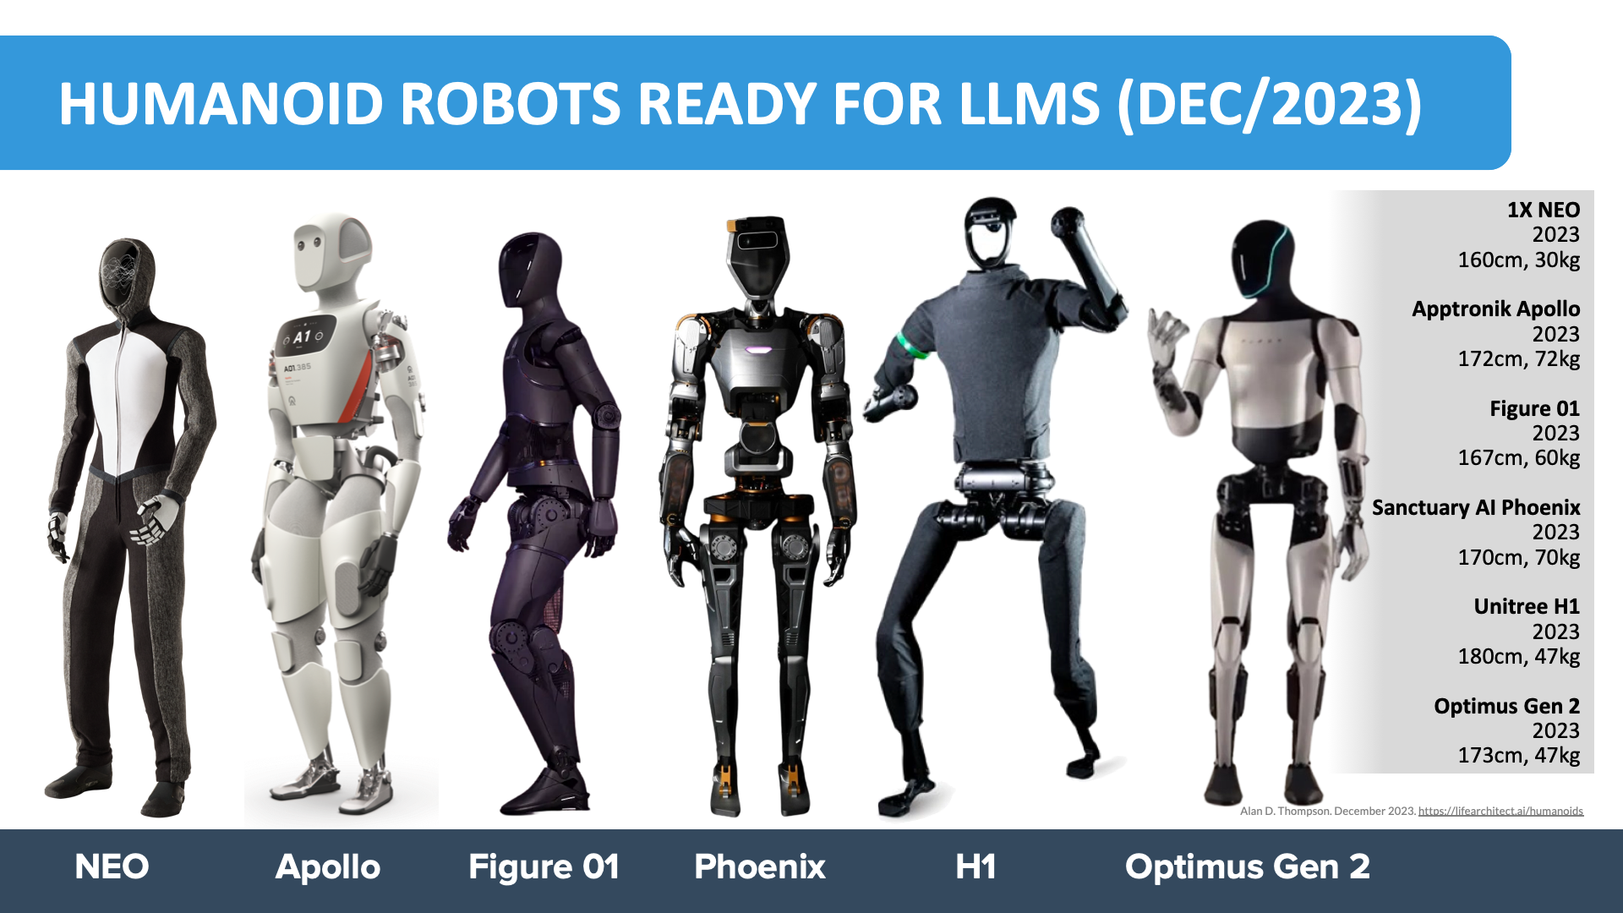
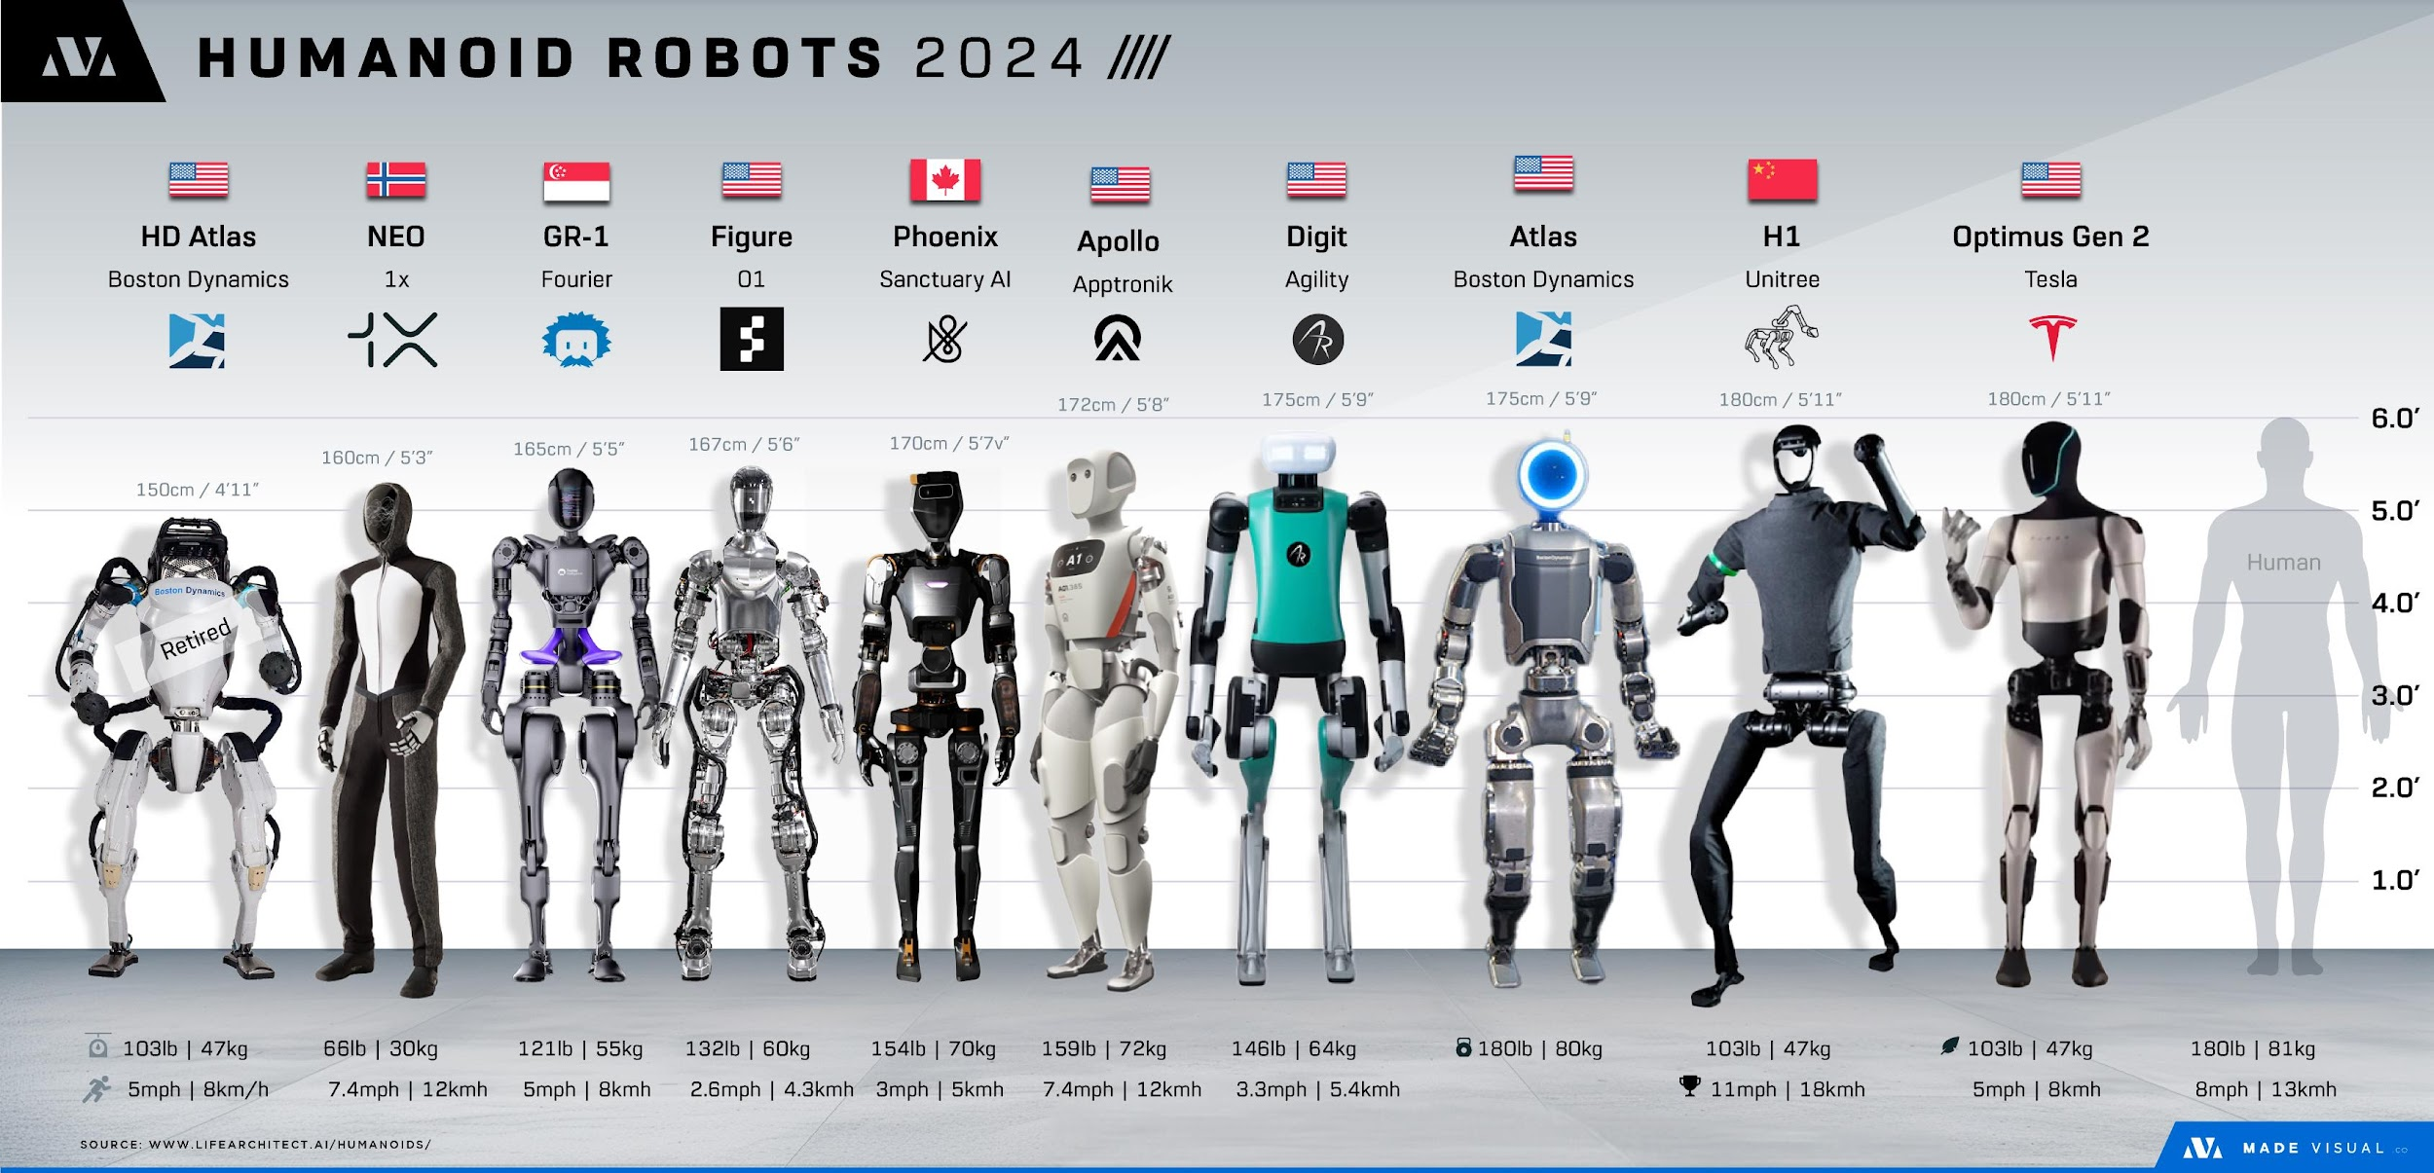

https://lifearchitect.ai/humanoids/ |  | Alternative viz by Harrison Schell from madevisual.co

